PoA_Overview_All Years
Overview PoA Template - All Years

OUTCOME 1 - LEADERSHIP ARE COMMITTED TO THE SCALED UP AND APPROPRIATE USE OF CVA
OUTPUT |  | ACTIVITIES |  |  |  |  |  |  |  |  |  |  |  |  | Budget next quarter | Total budget (whole project)
 |  |  | 2021 |  |  |  | 2022 |  |  |  | 2023
 | Category | Activity description | Q1 | Q2 | Q3 | Q4 | Q1 | Q2 | Q3 | Q4 | Q1 | Q2 | Q3 | Q4
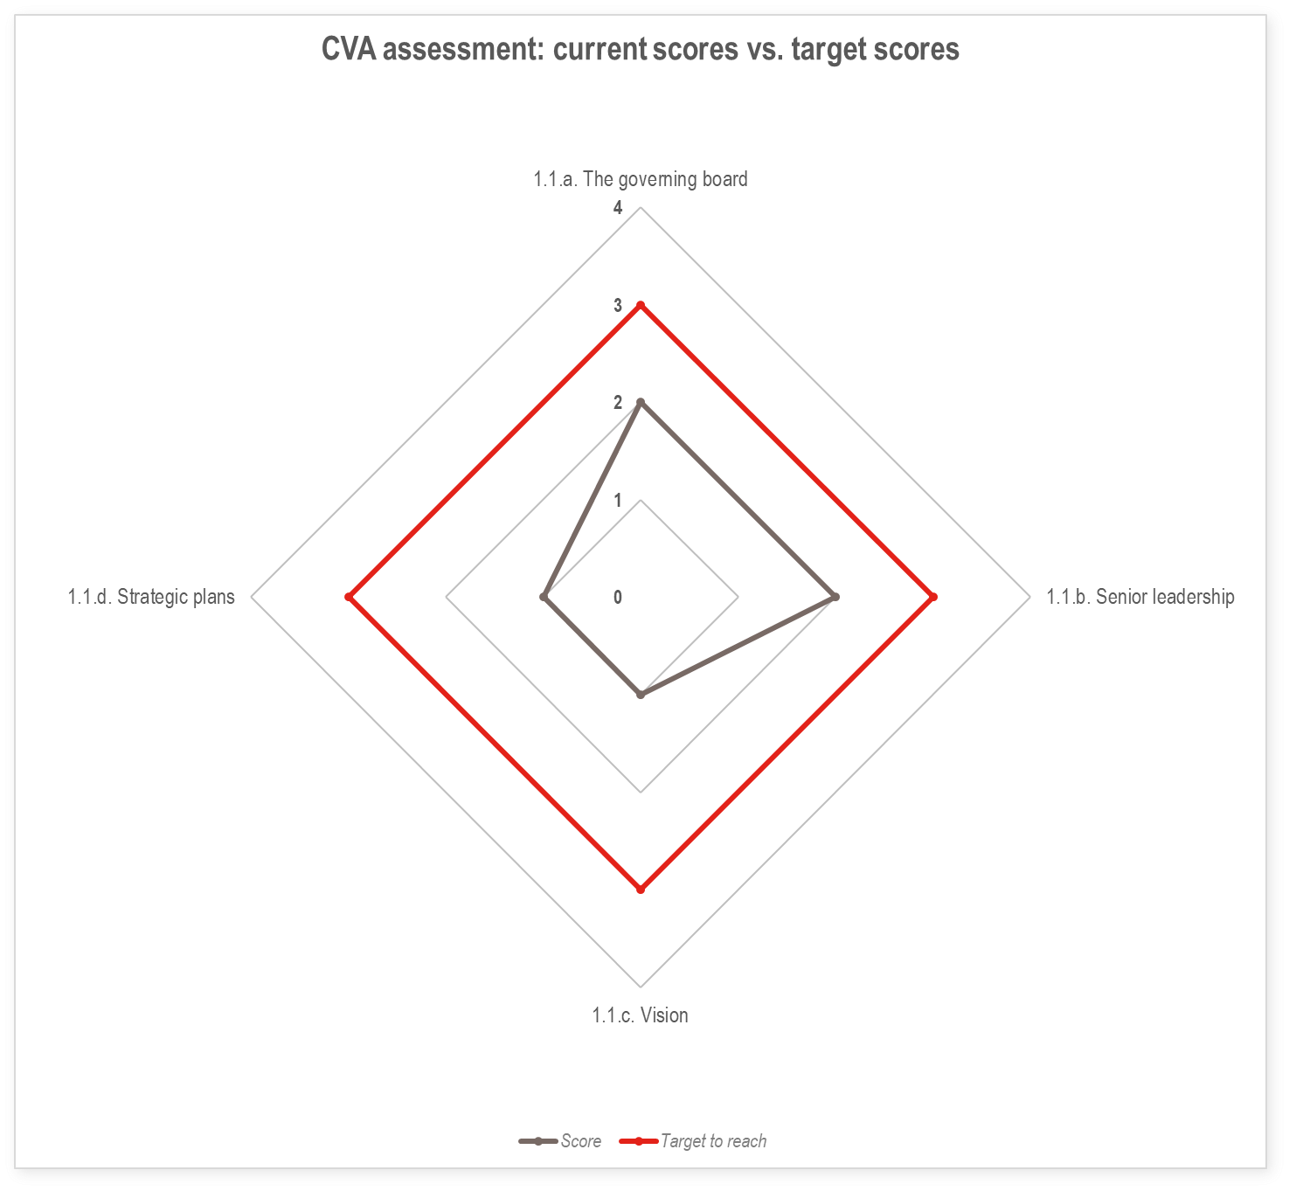 1.1. Vision and strategy |  | e.g. Sensitization training for Board on CVA response analysis for Board and leadership use
 |  | e.g. Development of CVA vision paper
 |  | e.g. Include CVA in next NS Strategic Plan

1.2. Organisational structure |  | e.g. Identify Branches for CVAP support
 |  | e.g. Conduct CVA refresher training for branches
 |  | e.g. Source funding for CVA focal point

 |  | e.g. Advocacy messages developed to address identified external stakeholder concerns
OUTCOME 2 - NS HAVE THE PROCESSES, SYSTEMS AND TOOLS IN PLACE FOR CVA AT SCALE, ADAPTED TO THEIR SPECIFIC CONTEXT AND TO ALL PHASES OF THE PROJECT CYCLE
OUTPUT |  | ACTIVITIES |  |  |  |  |  |  |  |  |  |  |  |  | Budget next quarter | Total budget (whole project)
 |  |  | 2021 |  |  |  | 2022 |  |  |  | 2023
 |  | Activity description | Q1 | Q2 | Q3 | Q4 | Q1 | Q2 | Q3 | Q4 | Q1 | Q2 | Q3 | Q4
2.1. Roles and responsibilities
2.2. Incorporating CVA in systems
2.3. Infrastructure, equipment and technology
2.4. CVA technical tools and guidance
OUTCOME 3 - NS HAVE THE SUFFICIENT RESOURCES TO IMPLEMENT AND PROMOTE CVA AT SCALE
OUTPUT |  | ACTIVITIES |  |  |  |  |  |  |  |  |  |  |  |  | Budget next quarter | Total budget (whole project)
 |  |  | 2021 |  |  |  | 2022 |  |  |  | 2023
 |  | Activity description | Q1 | Q2 | Q3 | Q4 | Q1 | Q2 | Q3 | Q4 | Q1 | Q2 | Q3 | Q4
3.1. Funding availability, release and replenishment
3.2. CVA preparedness capacity
3.3. CVA skills and capacity - leadership and decision makers
3.4. CVA skills and capacity - programme staff
3.5. CVA skills and capacity - support services staff
OUTCOME 4 - NS HAVE THE APPROPRIATE CEA APPROACH AND TOOLS IN PLACE FOR CVA AT SCALE, AS WELL AS EFFECTIVE COORDINATION AND PARTNERSHIPS, TO FACILITATE THE EFFECTIVE USE OF CVA BOTH INTERNALLY AND EXTERNALLY
OUTPUT |  | ACTIVITIES |  |  |  |  |  |  |  |  |  |  |  |  | Budget next quarter | Total budget (whole project)
 |  |  | 2021 |  |  |  | 2022 |  |  |  | 2023
 |  | Activity description | Q1 | Q2 | Q3 | Q4 | Q1 | Q2 | Q3 | Q4 | Q1 | Q2 | Q3 | Q4
4.1. Community engagement and accountability
4.2. Internal coordination
4.3. Internal partnerships
4.4. External coordination
4.5. External partnerships
OUTCOME 5 - NS LEARN AND IMPROVE BASED ON TESTING OF THEIR CVA CAPACITIES THROUGH PILOT PROJECTS AND OTHER LEARNING BASED INITIATIVES
OUTPUT |  | ACTIVITIES |  |  |  |  |  |  |  |  |  |  |  |  | Budget next quarter | Total budget (whole project)
 |  |  | 2021 |  |  |  | 2022 |  |  |  | 2023
 |  | Activity description | Q1 | Q2 | Q3 | Q4 | Q1 | Q2 | Q3 | Q4 | Q1 | Q2 | Q3 | Q4
5.1. Testing CVA capacity
5.2. CVA knowledge management
5.3. Reassessing CVA capacity

