Risk Category
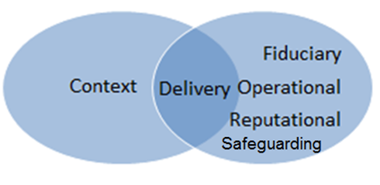
Contextual | Refers to events, factors or dynamics occurring in the broader environment which affect programming or operations yet are beyond the full control of IFRC (Political unrest, economic failure, famine, war, etc.). PESTEL is a helpful tool for assessment of context risk (political, economic, social, technological, environmental, legal)
Programme Delivery | Future events may negatively impact a program’s performance, schedule, cost. Also includes the risk that our programmes cause harm to our beneficiaries or their environments.
Fiduciary | The risk that funds, goods and services are not used for the intended purposes; do not achieve value for money, and are not adequately accounted for (included risk relating to fraud and corruption).
Operational | The risks to IFRC objectives arising from inadequate or failed internal processes (procurement, HR, Finance, IT etc.); inadequate or people and resourcing risks (includes risk from commercial disputes, staff shortages, supply chain shortages, staff safety, partner capacity etc.).
Reputational | The potential for negative publicity, public perception, or uncontrollable events to harm IFRC’s reputation (global, regionally or in-country), therefore affecting our ability to complete our mission (loss of donor support, partner/government disengagement, beneficiary distrust etc.).
Safeguarding (Sexual exploitation and abuse (external) and sexual harassment (internal)) | The risk that our staff, partner staff, volunteers, or beneficiaries suffer sexual exploitation, abuse, or harassment due to IFRC funding or operations.
Strategic | Inappropriate policies, failure to meet expectations/requirements of NS/donors and other stakeholders.

Note - The list is not exhaustive and risks can fit into more than one category. The focus should be on capturing the risk and recognising that risk can, and does happen throughout the strategic ,tactical or programme life cycle

